Instructions
Simple Gradebook Assignment

Scenario:
You are a the teacher of a 3rd grade classroom. You have compiled a worksheet with the scores of 8 students in the class. You would like to figure out the total points per student as well as the percentage of each student's grade based on the points possible. You would like to show student progress.

Your final assignment should look similar to this:

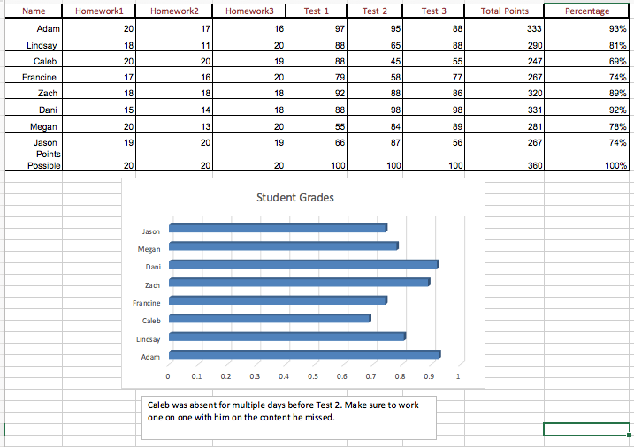

Instructions:
On the tab below, titled "Your Completed Assignment" you will find the content nessecary for your assignment . Follow the steps to make the spreadsheet look like the one pictured above.
1. Change the text of the titles to Century, red font.
2. Add a thicker border around the titles.
3. Use the SUM function [a function is like a built-in formula] to find the total points for each student.
4. Write your own formula to find the percentage of total points compared to the total points possible. [=Students total points/points possible]
5. Highlighting cells A2:A9 and I2:I9, created a 3-D Clustered Bar chart to show the percentage of each student.
6. Change the title in the chart to "Student Grades".
7. Insert a text box with the text, "Caleb was absent for multiple days before Test 2. Make sure to work one on one with him on the content he missed."

Your Completed Assignment
Name | Homework1 | Homework2 | Homework3 | Test 1 | Test 2 | Test 3 | Total Points | Percentage
Adam | 20 | 17 | 16 | 97 | 95 | 88 | 333 | 93%
Lindsay | 18 | 11 | 20 | 88 | 65 | 88 | 290 | 81%
Caleb | 20 | 20 | 19 | 88 | 45 | 55 | 247 | 69%
Francine | 17 | 16 | 20 | 79 | 58 | 77 | 267 | 74%
Zach | 18 | 18 | 18 | 92 | 88 | 86 | 320 | 89%
Dani | 15 | 14 | 18 | 88 | 98 | 98 | 331 | 92%
Megan | 20 | 13 | 20 | 55 | 84 | 89 | 281 | 78%
Jason | 19 | 20 | 19 | 66 | 87 | 56 | 267 | 74%
Points Possible | 20 | 20 | 20 | 100 | 100 | 100 | 360 | 100%

Student Grades

Caleb was absent for multiple days before test 2. Make sure to work one on one with him on the content he missed.

